Test case template
Център за обучение по софтуерно тестване Website: http://skillo-bg.com

Bug ID | PSB001
Name | cheking out cart
Priority | P3
Severity | S4
Description | Trying to select "sort by" drop down menu
Steps to reproduce | 1. Load www.automationpractice.com/login 2.overview women casual dresses category 3.click on "Sort by "drop down menu 4.sect "category "from drop down menu Expected result: 1.Open homepage 2.Reopen new page 3.open drop down menu 4.have to appears choosen category Actual result: doesn't appears choosen category
Attachment | 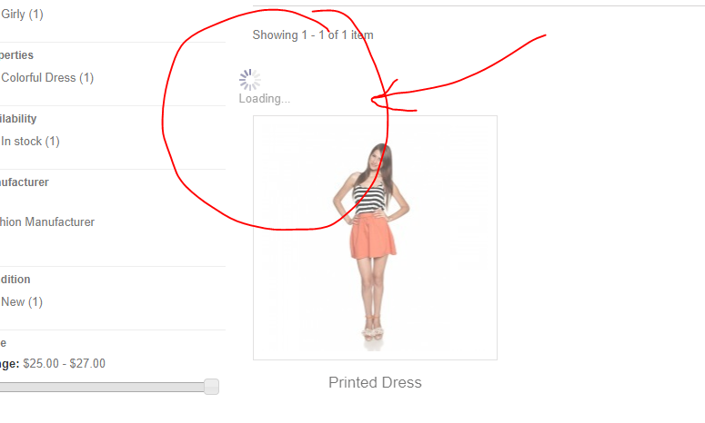
Status | New
Component | Login
Version/Build number (Found in) | 2014
Environment | Chrome
Comments
Date Created | 5-Jun-18
Author | Team 2
Audit Log | Team 2

